Scenarios & Requirement
The AdventureWorks database supports standard online transaction processing scenarios for a fictitious bicycle manufacturer (Adventure Works Cycles). Scenarios include Purchasing, Product Management, Sales, and Human Resources.
1. Database

You could explore the data here.

2. Business context
About the company
Adventure Works Cycles, a large, multinational manufacturing company, produces and distributes metal and composite bicycles to North American, European, and Asian commercial markets. While its base operation is located in Bothell, Washington, and employs 500 people, several regional sales teams are located throughout the company’s market region. In 2000, Adventure Works Cycles bought a small manufacturing plant, Wide World Importers, which is located in Mexico City, Mexico. Wide World Importers manufactures several critical subcomponents for the Adventure Works Cycles product line. These subcomponents are shipped to the Bothell location for final product assembly. In 2001, Wide World Importers became the sole manufacturer and distributor of the touring bicycle product group.
After a successful fiscal year, Adventure Works Cycles is looking to broaden its market share by focusing its sales efforts on the company’s best customers, and reducing the cost of sales by reducing production costs.

About the topics
Click on one of these following departments to read the detailed requirements. Remember, please choose only one department for this project.
1. Sales
2. Production

3. Expected output
You should submit your output via this form.
The output is expected to be a Drive Folder containing 1 Youtube video and 4 separate files, including:
 | - 01 Design Thinking spreadsheet
 | - 01 .pbix files containing your dashboard
 | - 01 PDF file
 | - 01 video (8-10m) presenting about your project

Note: The presentation could be presented using Powerpoint slides or just directly using your Power BI dashboard. No matter how you do, the presentation file must be converted and upload in PDF form for storage

Sales
Sales
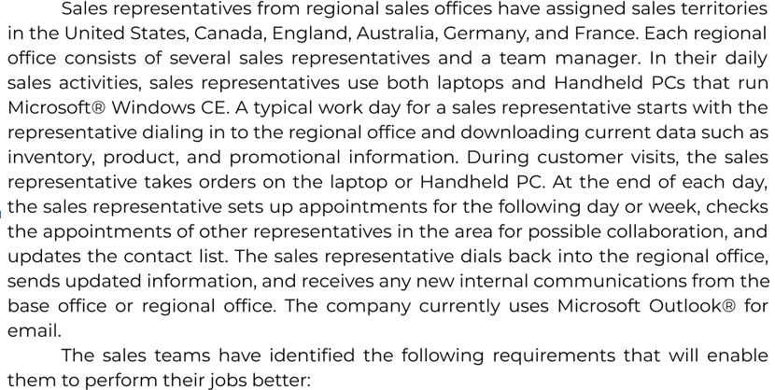

Customer segmentation and profiling:
Analyze customers based on their purchase behaviours: RFM (recency, frequency, and monetary value of a transaction)
Who are the best customer across all product lines? With whom should the sales team focus its efforts for building long-term relationships?
What products are popular and at what rate among customer group?

